ID creation
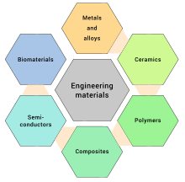
 |  | 0 | Bulk
 |  | 1 | 2D nano
 |  | 2 | 1D nano

METALS AND ALLOYS | 1
CERAMICS | 2
POLYMERS | 3
COMPOSITES | 4
(SEMICONDUCTORS) | 5
(BIOMEATERIALS) | 6
OTHER | 7

